Sheet1
1 | 2 |  | 100
3 | 4 |  | 200

Hello!

user_id | name | age | country | score | continent
1001 | Mark | 55 | Italy | 4.5 | Europe
1000 | John | 33 | USA | 6.7 | America

 | Mark | 55 | Italy | 4.5 | Europe
 | John | 33 | USA | 6.7 | America

2020-01-01 |  | 1

 | North | South
Last Year | 2 | 5
This Year | 3 | 6

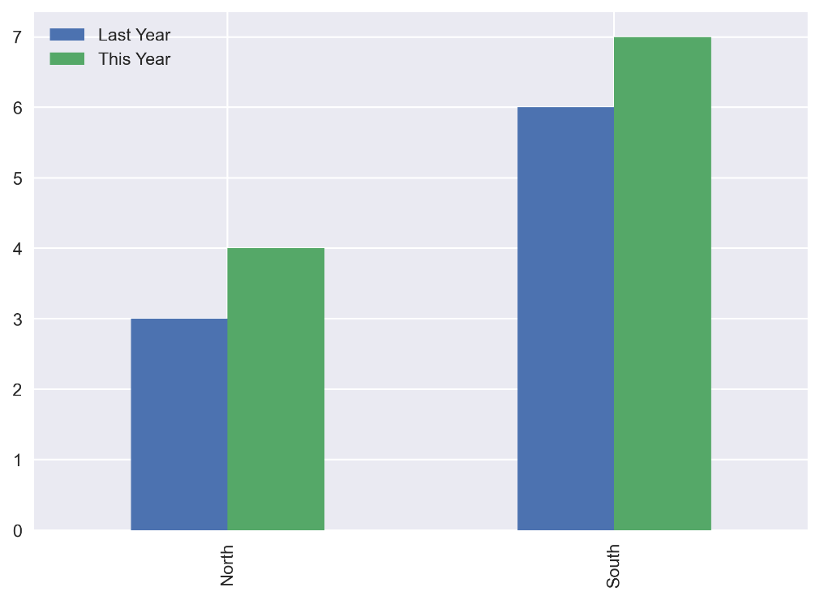

1 | 2
3 | 4

